Solution
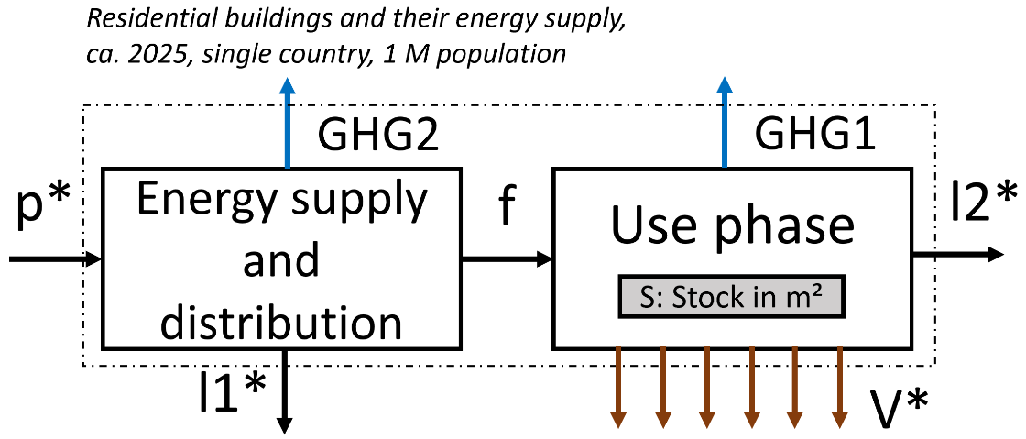
Task 1 | Develop a MEFA system definition for building energy services, energy supply, and scope 1+2 GHG:
 | The figure below shows a system definition that contains the relevant system variables.
 |  |  |  |  |  |  |  | System variable | Name | Unit | Comment
 |  |  |  |  |  |  |  | S | residential building stock | Mm² | Used as proxy for the different services
 |  |  |  |  |  |  |  | f | final energy | GWh/yr
 |  |  |  |  |  |  |  | GHG1 | scope 1 GHG | Mt CO2-eq/yr
 |  |  |  |  |  |  |  | GHG2 | scope 2 GHG | Mt CO2-eq/yr

 |  |  |  |  |  |  |  | not quantified (not relevant to address the research questions)
 |  |  |  |  |  |  |  | V* | Service | operating hours, thermal comfort, illumination
 |  |  |  |  |  |  |  | p* | primary energy | GWh/yr
 |  |  |  |  |  |  |  | l1* | losses in energy supply | GWh/yr
 |  |  |  |  |  |  |  | l2* | losses in buildings | GWh/yr | l2=f

Task 2 | Quantify the system variables in that system definition:
Quantity | Description |  | Unit | Value |  |  |  |  |  | Comment, model equations
 |  |  |  | Country 1 | Country 2 | Country 3 | Country 4 | Country 5 | Country 6
Population |  | parameter | million | 1 | 1 | 1 | 1 | 1 | 1
residential floorspace |  | parameter | m²/cap | 11 | 15 | 26 | 49 | 60 | 40
per area average final energy |  | parameter | kWh/m²/yr | 86 | 89 | 65 | 146 | 145 | 72
S |  | system variable | Mm² | 11 | 15 | 26 | 49 | 60 | 40 | S = Population * per capita stock
f |  | system variable | GWh/yr | 946 | 1335 | 1690 | 7154 | 8700 | 2880 | f = S * per area avg. final energy

Energy carrier split |  | parameter | Coal | 0 | 0 | 0 | 0.8 | 0 | 18.8
By carrier: |  | in % | Oil products | 42.3 | 7.1 | 27.1 | 19.5 | 3.9 | 8.7
 |  |  | Natural gas | 0.6 | 0 | 1.9 | 40.7 | 41.9 | 11.9
 |  |  | Electricity | 46.7 | 5.9 | 54.9 | 21.3 | 48.4 | 35.2
 |  |  | Biomass, waste and other renewables | 10.4 | 87 | 16.1 | 17.7 | 5.8 | 25.4

f_c | final energy by carrier |  | Coal | 0 | 0 | 0 | 57 | 0 | 541 | f_c = f * energy carrier split
 |  | GWh/yr | Oil products | 400 | 95 | 458 | 1395 | 339 | 251
 |  |  | Natural gas | 6 | 0 | 32 | 2912 | 3645 | 343
 |  |  | Electricity | 442 | 79 | 928 | 1524 | 4211 | 1014
 |  |  | Biomass, waste and other renewables | 98 | 1161 | 272 | 1266 | 505 | 732

GHG intensity | parameter | Coal | in g CO2-eq/kWh | 412 | 412 | 412 | 412 | 412 | 412
by energy carrier |  | Oil products | in g CO2-eq/kWh | 254 | 254 | 254 | 254 | 254 | 254
 |  | Natural gas | in g CO2-eq/kWh | 245 | 245 | 245 | 245 | 245 | 245
 |  | Electricity | in g CO2-eq/kWh | 682 | 508 | 103 | 344 | 175 | 560
 |  | Biomass, waste and other renewables | in g CO2-eq/kWh | 509 | 509 | 509 | 509 | 509 | 509

GHG1 |  |  | Mt CO2-eq/yr | 0.15 | 0.62 | 0.26 | 1.74 | 1.24 | 0.74 | GHG1 = Sum (energy carrier) GHG_intensity * f_c
GHG2 |  |  | Mt CO2-eq/yr | 0.3 | 0.04 | 0.1 | 0.52 | 0.74 | 0.57 | GHG1 = GHG_intensity electricity (country) * f_c (electricity, country)
GHG_ges |  |  | Mt CO2-eq/yr | 0.45 | 0.66 | 0.36 | 2.26 | 1.98 | 1.31 | GHG_ges = GHG1 + GHG2
GHG_ges_pC |  |  | t CO2-eq/yr | 0.45 | 0.66 | 0.36 | 2.26 | 1.98 | 1.31 | GHG_ges_pC = GHG_ges / Population
 |  |  | Per capita values for GHG from dwellings range from 0.36 t/cap/yr in country 3 to 2.3 t/cap/yr in Country 4.
Task 3 | Think about and discuss which countries the six anonymous datasets may apply to and why!
 | range of per capity residential floorspace |  |  | low per capita floorspace | low per capita floorspace | medium per capita floorspace | high per capita floorspace | very high per capita floorspace | high per capita floorspace
 | GHG intensity of electricity |  |  | GHG-intensive electricity | GHG-intensive electricity | low-carbon elecricity | medium GHG-intensive electricity | low-medium carbon elecricity | GHG-intensive electricity
 | Main fuel |  |  | electricity and oil | biofuel | electricity | natural gas | electricity and natural gas | electricity and biomass

Description |  |  |  | relatively poor reg. floorspace (densely populated, slums?) with fossil-intensive electricity | biomass-dependend rel. poor country | medium floorspace, lots of low-carbon electricity | high floorspace lots of heating, lots of natural gas: High income country in temperate to boreal climate: Canada, US, Denmark, Germany, Finland | very rich country with fossil fuels and partly decarbonized electricity | medium-to-high floorspace, fossil-intensive, still lots of biomass: Economy in transition: South Africa, China, Russia
Possible guesses |  |  |  | Pakistan, India, Bangladesh, Indonesia | Pakistan, Angola, Ethiopia | South America (hydropower), South Africa |  | Sweden, Finland, Canada
Solution |  |  |  | Indonesia | Nigeria | Brazil | Germany | Canada | China

Task 4 | Develop a simple but plausible decoupling scenario for the residential building stock-flow-service nexus
 |  |  |  | Indonesia | Nigeria | Brazil | Germany | Canada | China
Change 1 |  |  |  | higher floorspace with energy-efficient buildings | higher floorspace with energy-efficient buildings | moderate floorpace growth with efficient buildings | promote sufficiency strategies in cities and rural areas, efficient buildings, focus on retrofits | promote sufficiency strategies in cities and rural areas, efficient buildings, focus on retrofits | curb further floorspace growth, retrofit to energy-efficient buildings, increase the share of electricity
Rationale |  |  |  | Meet the country's development needs with efficient and low-carbon technologies | Meet the country's development needs with efficient and low-carbon technologies | meet development needs esp. of the poorer people | Take measures to incentivise lower floorspace | Take measures to incentivise lower floorspace | Floorspace levels are almost as high as in high-income countries, further electrification key to low-carbon transition
Change 2 |  |  |  | low-carbon electricity for cooling, PV-based | electrify buildings and use less biomass | low-carbon electricity for cooling, PV-based | continue electrifying and decarbonising building energy use, phase out natural gas-based heating | continue electrifying and decarbonising building energy use, phase out natural gas-based heating | low-carbon electricity for cooling, PV-based, heat pumps
Rationale |  |  |  | PV+storage delivers electricity when cooling demand (daytime and nighttime) is highest | Large co-benefits with forest protection and indoor air quality, low-carbon if electricity is sourced from PV-based microgrids | PV+storage delivers electricity when cooling demand (daytime and nighttime) is highest | Renewable+storage/heat pumps deliver low-cost energy services to buildings | Renewable+storage/heat pumps deliver low-cost energy services to buildings | PV+storage delivers electricity when cooling demand (daytime and nighttime) is highest; heat pumps as highly efficient

For calculating the impacts of these changes, create a 1:1 copy of this sheet and make changes there.

